Sample SAR Tracking 2
SAMPLE Subrecipient Annual Report/Single Audit's Schedule of Expenditures of Federal Awards * FEDERAL GRANT TRACKING FORM
Fiscal Year End: JUNE; SEPT; DEC; OTHER:____ | FISCAL YEAR: 2022; 2023; 2024
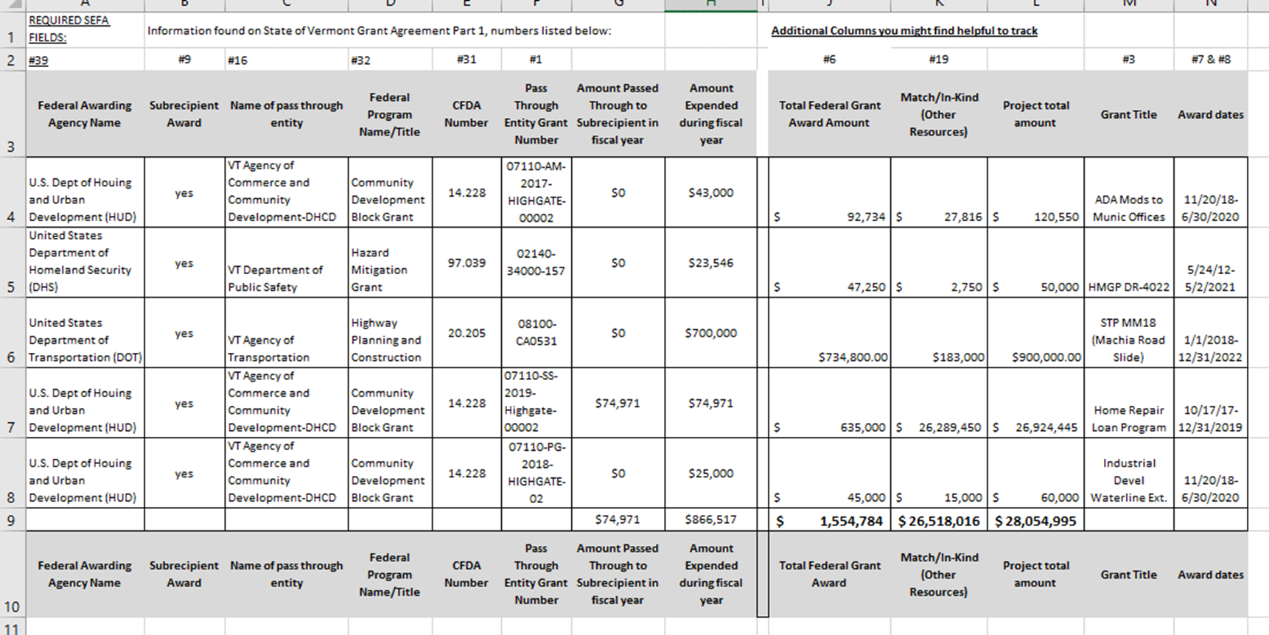

For a copy of the excel version, email: cassie.bell@vermont.gov
Cassie Bell, Grants Management Analyst. 802-828-5211

